Consumables
Consumables
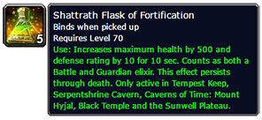
[Shattrath Flask of Fortification]
Armor | 0
HP/10 | 50 | Only *10. No extra modifier
Agility | 0
EH | 1294.314381

[Elixir of Major Defense] |  |  | [Elixir of Major Fortitude]
Armor | 550 |  | Armor | 0
Stamina | 0 |  | HP/10 | 25
Agility | 0 |  | Agility | 0
EH | 1566.120401 |  | EH | 647.1571906
 |  |  |  |  |  |  | QTY
[Elixir of Major Agility] |  |  |  |  | Flask of Fortification |  | 22
Armor | 0 |  |  |  | Fel Lotus | 1 | 22
Stamina | 0 |  |  |  | Mana Thistle | 3 | 66
Agility | 35 |  |  |  | Ancient Lichen | 7 | 154
EH | 199.3244147 |  |  |  | Imbued Vial | 1 | 22

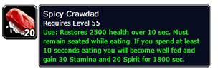
Flask EH | 1294.314381
Def+Agi Elix | 1765.444816
Fort+Agi | 846.4816054

[Spicy Crawdad]
Armor | 0
Stamina | 30
Agility | 0
EH | 780.4715719

[Scroll of Protection V]
Armor | 300
Stamina | 0
Agility | 0
EH | 854.2474916

[Scroll of Agility V]
Armor | 0
Stamina | 0
Agility | 20
EH | 113.8996656

[Ironshield Potion]
Armor | 2500
Stamina | 0
Agility | 0
EH | 7118.729097

[Faceplate of the Impenetrable]
Armor | 0
Stamina | 15
SBV | 0
Agility | 0
EH | 390.235786

Helm
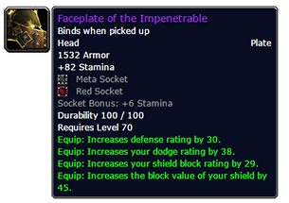
Helm |  |  | Helm

[Faceplate of the Impenetrable] |  | Illidan
Armor | 1532
Stamina | 115
SBV | 45
Agility | 0
EH | 7505.599666

Hard Khorium Goggles |  | Eng 2.4 | T4 |  | T4
Armor | 1611 |  | Armor | 1080
Stamina | 119 |  | Stamina | 77
Agility | 0 |  | SBV | 33
EH | 7683.179599 |  | Agility | 14
 |  |  | EH | 5269.283278
Crown of Dath'Remar |  | KJ
Armor | 1611 |  | [Felsteel Helm] |  | BS
Stamina | 124 |  | Armor | 1284
Agility | 0 |  | Stamina | 63
EH | 7813.258194 |  | SBV | 0
 |  |  | Agility | 0
[Eternium Greathelm] |  | Opera | EH | 5295.169565 |  | 1.208648736
Armor | 1178
Stamina | 84 |  | [Tankatronic Goggles] |  | Engineering
Agility | 0 |  | Armor | 946
EH | 5539.665552 |  | Stamina | 71
 |  |  | SBV | 0
[Warbringer Greathelm] |  | T4 | Agility | 0
Armor | 1227 |  | EH | 4540.843144
Stamina | 83
Agility | 17 |  | [Destroyer Greathelm] |  | T5
EH | 5749.991639 |  | Armor | 1227
 |  |  | Stamina | 67
[Helm of the Stalwart Defender] |  | BS | SBV | 0
Armor | 1336 |  | Agility | 24
Stamina | 83 |  | EH | 5373.605017 |  | 1.014812642
Agility | 0
EH | 5963.553512 |  | [Eternium Greathelm] |  | Kara Opera
 |  |  | Armor | 1030
[Destroyer Greathelm] |  | T5 | Stamina | 78
Armor | 1355 |  | SBV | 0
Stamina | 78 |  | Agility | 0
Agility | 28 |  | EH | 4962.142475
EH | 6047.036789
 |  |  | [Faceguard of the Endless Watch] |  | Doomwalker
[Faceguard of the Endless Watch] |  | Doomwalker | Armor | 1080
Armor | 1227 |  | Stamina | 78
Stamina | 85 |  | SBV | 0
Agility | 0 |  | Agility | 0
EH | 5705.208361 |  | EH | 5104.517057

[Tankatronic Goggles] |  | Eng 2.1 | [Helm of the Stalwart Defender] |  | BS |  | Hardenedd Adamantite Bar
Armor | 1296 |  | Armor | 1366 |  |  | Primal Earth
Stamina | 87 |  | Stamina | 83 |  |  | Primal Mana
Agility | 0 |  | SBV | 45 |  |  | Primal Nether
EH | 5953.716722 |  | Agility | 0
 |  |  | EH | 6200.413043
[Faceplate of the Impenetrable] |  | T6
Armor | 1483 |  | [Gladiator's Plate Helm] |  | S1
Stamina | 78 |  | Armor | 1129
SBV | 35 |  | Stamina | 78
Agility | 28 |  | SBV | 0
EH | 6529.298328 |  | Agility | 0
 |  |  | EH | 5244.044147
[Felsteel Helm] |  | BS
Armor | 1284 |  | Merciless Gladiator's Plate Helm |  | S2
Stamina | 63 |  | Armor | 1385
SBV | 0 |  | Stamina | 84
Agility | 0 |  | SBV | 0
EH | 5295.169565 |  | Agility | 0
 |  |  | EH | 6129.096321
Battleworn Tuskguard
Armor | 1355 |  | Oathkeepers's Helm
Stamina | 105 | epic | Armor | 0
SBV | 51 |  | Stamina | 85.8
Agility | 0 |  | SBV | 0
EH | 6761.627759 |  | Agility | 0
 |  |  | EH | 2232.148696

Neck
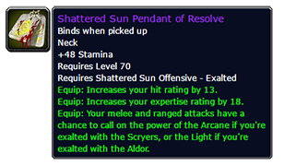
Neck

[Shattered Sun Pendant of Resolve] |  |  | [Mark of the Ravenguard]
Armor | 0 |  | Armor | 0
Stamina | 48 |  | Stamina | 40
Agility | 0 |  | SBV | 0
EH | 1248.754515 |  | Agility | 0
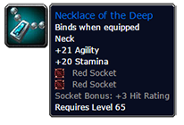
 |  |  | EH | 1040.628763
[Necklace of the Deep]
Armor | 0 |  | [Barbed Choker of Discipline]
Stamina | 50 |  | Armor | 0
Agility | 21 |  | Stamina | 36
EH | 1420.380602 |  | SBV | 0
 |  |  | Agility | 0
[Collar of the Pit Lord] |  |  | EH | 936.5658863
Armor | 0 |  | [Frayed Tether of the Drowned]
Stamina | 63 |  | Armor | 0
Agility | 0 |  | Stamina | 42
EH | 1638.990301 |  | SBV | 0
 |  |  | Agility | 0
[Mark of the Ravenguard] |  | Quest | EH | 1092.660201
Armor | 0
Stamina | 40
Agility | 0
EH | 1040.628763

[Barbed Choker of Discipline] |  | Maiden
Armor | 0
Stamina | 39 |  | Veteran's Pendant of Triumph |  | S2
Agility | 0 |  | Armor | 0
EH | 1014.613043 |  | Stamina | 43
 |  |  | SBV | 0
[Frayed Tether of the Drowned] |  | Fathom-Lord | Agility | 0
Armor | 0 |  | EH | 1118.67592
Stamina | 45
Agility | 0
EH | 1170.707358

[Pendant of Titans] |  | Reliquary of Souls
Armor | 0
Stamina | 43
Agility | 0
EH | 1118.67592

Shoulders
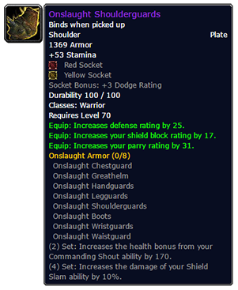
Shoulders

[Onslaught Shoulderguards] |  | T6 | [Shoulderguards of the Bold] |  | SL
Armor | 1369 |  | Armor | 873
Stamina | 83 |  | Stamina | 49
Agility | 0 |  | SBV | 0
EH | 6057.520736 |  | Agility | 0
 |  |  | EH | 3760.630435
[Pauldrons of Perseverance] |  | SWP
Armor | 1487 |  | [Fanblade Pauldrons] |  | AC
Stamina | 90 |  | Armor | 873
SBV | 68 |  | Stamina | 46
Agility | 0 |  | SBV | 0
EH | 6804.469565 |  | Agility | 0
 |  |  | EH | 3682.583278
[Destroyer Shoulderguards] |  | T5
Armor | 1251 |  | [Spaulders of Dementia] |  | SH
Stamina | 68 |  | Armor | 887
Agility | 21 |  | Stamina | 30
EH | 5450.875585 |  | SBV | 0
 |  |  | Agility | 21
[Pauldrons of Abyssal Fury] |  | Supremus | EH | 3425.791304
Armor | 1324
Stamina | 72 |  | [Mantle of Abrahmis] |  | KZ
Agility | 0 |  | Armor | 951
EH | 5643.210702 |  | Stamina | 61
 |  |  | SBV | 0
[Warbringer Shoulderguards] |  | T4 | Agility | 0
Armor | 1133 |  | EH | 4294.923411
Stamina | 52
Agility | 15 |  | [Warbringer Shoulderguards] |  | T4
EH | 4664.450167 |  | Armor | 997
 |  |  | Stamina | 58
[Mantle of Abrahmis] |  | Netherspite | SBV | 0
Armor | 1087 |  | Agility | 12
Stamina | 67 |  | EH | 4416.200669
Agility | 0
EH | 4838.276589 |  | [Gladiator's Plate Shoulders] |  | S1
 |  |  | Armor | 1042
[Fanblade Pauldrons] |  | Auch HC | Stamina | 63
Armor | 873 |  | SBV | 0
Stamina | 46 |  | Agility | 0
Agility | 0 |  | EH | 4606.076589
EH | 3682.583278
 |  |  | [Destroyer Shoulderguards] |  | T5
 |  |  | Armor | 1133
 |  |  | Stamina | 54
 |  |  | SBV | 38
 |  |  | Agility | 14
 |  |  | EH | 4838.664883

 |  |  | Grand Marshal's Plate Shoulders |  | S0.5
 |  |  | Armor | 873
 |  |  | Stamina | 60
 |  |  | SBV | 0
 |  |  | Agility | 0
 |  |  | EH | 4046.803344

 |  |  | Merciless Gladiator's Plate Shoulders |  | S2
 |  |  | Armor | 1278
 |  |  | Stamina | 75
 |  |  | SBV | 0
 |  |  | Agility | 0
 |  |  | EH | 5590.273244

Cloak
Cloak
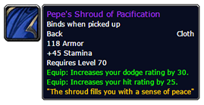
[Pepe's Shroud of Pacification] |  |  | [Burnoose of Shifting Ages] |  | BM
Armor | 118 |  | Armor | 216
Stamina | 45 |  | Stamina | 15
Agility | 0 |  | Agility | 0
EH | 1506.711371 |  | EH | 1005.29398
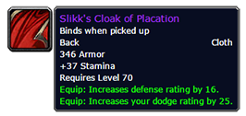
[Slikk's Cloak of Placation] |  |  | [Devilshark Cape] |  | SV
Armor | 346 |  | Armor | 78
Stamina | 37 |  | Stamina | 22
Agility | 0 |  | Agility | 0
EH | 1947.813712 |  | EH | 794.4501672

[Crimson Paragon's Cover] |  |  | [Gilded Thorium Cloak] |  | KZ
Armor | 129 |  | Armor | 285
Stamina | 61 |  | Stamina | 27
Agility | 0 |  | Agility | 0
EH | 1954.285284 |  | EH | 1513.959532

[Phoenix-Wing Cloak] |  | Al'ar | [Phoenix-Wing Cloak] |  | TK
Armor | 108 |  | Armor | 97
Stamina | 37 |  | Stamina | 34
Agility | 0 |  | Agility | 0
EH | 1270.110702 |  | EH | 1160.741137

[Devilshark Cape] |  | SV | [Cloak of Darkness] |  | DPS
Armor | 78 |  | Armor | 99
Stamina | 22 |  | Stamina | 36
Agility | 0 |  | Agility | 0
EH | 794.4501672 |  | EH | 1218.467559

[Thoriumweave Cloak] |  |  | [Cloak of Darkness]
Armor | 390 |  | Armor | 99
Stamina | 25 |  | Stamina | 36
Agility | 0 |  | Agility | 0
EH | 1760.914716 |  | EH | 1218.467559

Chest
Chest
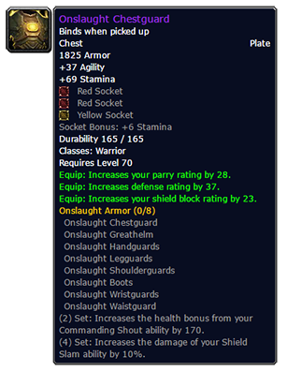
[Onslaught Chestguard] |  | T6 | [Warbringer Chestguard] |  | T4
Armor | 1825 |  | Armor | 1329
Stamina | 114 |  | Stamina | 78
Agility | 37 |  | SBV | 39
EH | 8373.178595 |  | Agility | 14
 |  |  | EH | 6024.515719
[Breastplate of Agony's Aversion] |  | SWP
Armor | 1983 |  | [Panzar'Thar Breastplate] |  | NB
Stamina | 123 |  | Armor | 1268
Agility | 0 |  | Stamina | 81
EH | 8846.509365 |  | SBV | 33
 |  |  | Agility | 0
[Warbringer Chestguard] |  | T5 | EH | 5828.944816
Armor | 1668
Stamina | 93 |  | [Destroyer Chestguard] |  | T5
Agility | 26 |  | Armor | 1510
EH | 7317.147492 |  | Stamina | 75
 |  |  | SBV | 0
[Destroyer Chestguard] |  | T4 | Agility | 22
Armor | 1510 |  | EH | 6376.180936
Stamina | 84
Agility | 17 |  | [Gladiator's Plate Chestpiece] |  | S1
EH | 6581.847492 |  | Armor | 1450
 |  |  | Stamina | 74
[Panzar'Thar Breastplate] |  | Nightbane | SBV | 0
Armor | 1450 |  | Agility | 0
Stamina | 87 |  | EH | 6054.026087
Agility | 0
EH | 6392.230435 |  | [Bulwark of the Ancient Kings] |  | BS Armorsmith | 2 | Nether Vortex
 |  |  | Armor | 1753 | 2018-03-03
[Glory of the Defender] |  | Azgalor | Stamina | 89 | 1500 HP on demand
Armor | 1765 |  | SBV | 0 | ≈3000 EH on Use
Stamina | 75 |  | Agility | 0
Agility | 0 |  | EH | 7307.051839
EH | 6977.001672
 |  |  | [Bulwark of Kings] |  | BS Armorsmith | 10 | Primal Nether
[Chestplate of Stoicism] |  |  | Armor | 1510 | 2018-02-03 | 10 | Primal Mana
Armor | 1765 |  | Stamina | 87 | 1500 hp on demand
Stamina | 93 |  | SBV | 0 | ≈3000 EH on Use
SBV | 39 |  | Agility | 0
Agility | 0 |  | EH | 6563.079933 | 1.02931206
EH | 7576.528094
 |  |  | [Breastplate of Kings] |  | BS Armorsmith | 8 | Primal Might
[Breastplate of the Righteous] |  | Bot pala + E Gems | Armor | 1268 | 2018-01-03 | 6 | Hardened Adamantite Bar
Armor | 1164 |  | Stamina | 81 | NO HP BOOST | 6 | Eternium Bar
Stamina | 75 |  | SBV | 0 |  | 8 | Khorium Bar
SBV | 0 |  | Agility | 0
Agility | 0 |  | EH | 5717.892642 | 0.9444777013
EH | 5265.659197
 |  |  | Merciless Gladiator's Plate Chestpiece |  | S2
[Bulwark of the Ancient Kings] |  |  | Armor | 1704
Armor | 1825 |  | Stamina | 96
Stamina | 92 |  | SBV | 0
SBV | 0 |  | Agility | 0
Agility | 0 |  | EH | 7349.634783 | 1.00582765
EH | 7590.118395 | 272.970903

Wrists
Wrists
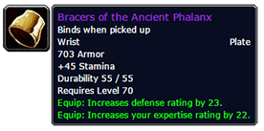
[Bracers of the Ancient Phalanx] |  |  | [Vambraces of Courage] |  | KZ
Armor | 703 |  | Armor | 555
Stamina | 45 |  | Stamina | 42
Agility | 0 |  | SBV | 0
EH | 3172.49398 |  | Agility | 0
 |  |  | EH | 2673.01806
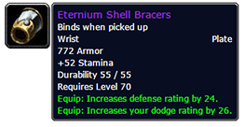
[Eternium Shell Bracers]
Armor | 772 |  | [Sha'tari Wrought Armguards] |  | SL Quest
Stamina | 52 |  | Armor | 509
Agility | 0 |  | Stamina | 30
EH | 3551.080936 |  | SBV | 0
 |  |  | Agility | 0
[Onslaught Wristguards] |  |  | EH | 2229.844816
Armor | 841
Stamina | 64 |  | [Amber Bands of the Aggressor] |  | SV hc
Agility | 0 |  | Armor | 529
EH | 4059.746488 |  | Stamina | 24
 |  |  | SBV | 0
[Sha'tari Wrought Armguards] |  | SL Q | Agility | 16
Armor | 509 |  | EH | 2221.820067
Stamina | 30
Agility | 0 |  | [General's Plate Bracers] |  | S1
EH | 2229.844816 |  | Armor | 555
 |  |  | Stamina | 36
[Vambraces of Courage] |  | Attuneman | SBV | 0
Armor | 634 |  | Agility | 0
Stamina | 45 |  | EH | 2516.923746
Agility | 0
EH | 2976.017057 |  | [Wristguards of Determination] |  | TK
 |  |  | Armor | 613
[Bracers of the Green Fortress] |  | BS | Stamina | 32
Armor | 581 |  | SBV | 0
Stamina | 39 |  | Agility | 0
Agility | 0 |  | EH | 2578.015385
EH | 2669.005686
 |  |  | Veteran's Plate Bracers |  | S2
[Wristguards of Determination] |  | Void Reaver | Armor | 693
Armor | 703 |  | Stamina | 42
Stamina | 37 |  | SBV | 0
Agility | 0 |  | Agility | 0
EH | 2964.368227 |  | EH | 3065.971906

Amber Bands of the Aggressor |  | SV HC | [Bracers of the Green Fortress] |  | BS
Armor | 608 |  | Armor | 581
Stamina | 25 |  | Stamina | 39
Agility | 18 |  | SBV | 0
EH | 2484.177592 |  | Agility | 0
 |  |  | EH | 2669.005686

Gloves
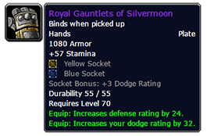
Gloves
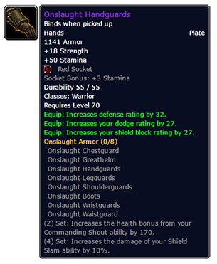
[Onslaught Handguards] |  |  | [Felsteel Gloves] |  | BS
Armor | 1141 |  | Armor | 943
Stamina | 65 |  | Stamina | 51
Agility | 0 |  | SBV | 45
EH | 4940.009699 |  | Agility | 0
 |  |  | EH | 4163.42107
[Gauntlets of Enforcement]
Armor | 1103 |  | [Gladiator's Plate Gauntlets] |  | S1
Stamina | 70 |  | Armor | 868
SBV | 36 |  | Stamina | 36
Agility | 0 |  | SBV | 0
EH | 5083.031438 |  | Agility | 0
 |  |  | EH | 3408.188629
[Borderland Fortress Grips] |  | SWP
Armor | 1217 |  | [Warbringer Handguards] |  | T4
Stamina | 96 |  | Armor | 831
Agility | 0 |  | Stamina | 34
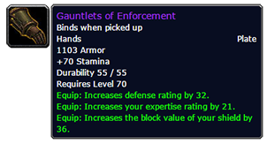
EH | 5962.906355 |  | SBV | 0
 |  |  | Agility | 17
[Gauntlets of the Iron Tower] |  | BS | EH | 3347.614716
Armor | 831
Stamina | 54 |  | [Iron Gauntlets of the Maiden] |  | Kara
Agility | 0 |  | Armor | 793
EH | 3771.114381 |  | Stamina | 58
 |  |  | SBV | 33
[Warbringer Handguards] |  | T4 | Agility | 0
Armor | 944 |  | EH | 3878.024749
Stamina | 38
Agility | 20 |  | [Topaz-Studded Battlegrips] |  | Kazzak
EH | 3790.529097 |  | Armor | 831
 |  |  | Stamina | 64
[Topaz-Studded Battlegrips] |  | Kazzak | SBV | 0
Armor | 944 |  | Agility | 0
Stamina | 73 |  | EH | 4031.271572
Agility | 0
EH | 4587.179599 |  | [Gauntlets of the Bold] |  | SV
 |  |  | Armor | 728
[Destroyer Handguards] |  | T5 | Stamina | 55
Armor | 1042 |  | SBV | 0
Stamina | 44 |  | Agility | 0
Agility | 0 |  | EH | 3503.838462
EH | 4111.777926
 |  |  | [Royal Gauntlets of Silvermoon] |  | TK
[Royal Gauntlets of Silvermoon] |  | Kael'Thas | Armor | 1080
Armor | 1080 |  | Stamina | 81
Stamina | 81 |  | SBV | 0
Agility | 0 |  | Agility | 0
EH | 5182.564214 |  | EH | 5182.564214

[Iron Gauntlets of the Maiden] |  | Maiden | [Destroyer Handguards] |  | T5
Armor | 906 |  | Armor | 944
Stamina | 63 |  | Stamina | 36
Agility | 0 |  | SBV | 33
EH | 4218.817726 |  | Agility | 17
 |  |  | EH | 3832.464883
[Felsteel Gloves] |  | BS 12 stam gems
Armor | 943 |  | Merciless Gladiator's Plate Gauntlets |  | S2
Stamina | 51 |  | Armor | 1065
Agility | 0 |  | Stamina | 46
EH | 4011.986288 |  | SBV | 0
 |  |  | Agility | 0
Gauntlets of Dissension |  | BoT HC | EH | 4229.301672
Armor | 868
Stamina | 36 |  | [Gauntlets of the Iron Tower] |  | BS
Agility | 23 |  | Armor | 831
EH | 3539.173244 |  | Stamina | 54
 |  |  | SBV | 0
 |  |  | Agility | 0
 |  |  | EH | 3771.114381

Belt
/al
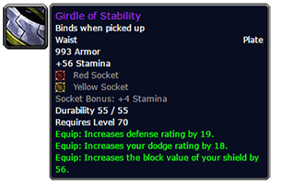
[Girdle of Stability] |  |  | [Crimson Girdle of the Indomitable]
Armor | 993 |  | Armor | 713
Stamina | 83 |  | Stamina | 57
SBV | 56 |  | SBV | 9
Agility | 0 |  | Agility | 0
EH | 5175.316054 |  | EH | 3543.444482

[Onslaught Waistguard] |  |  | [Girdle of the Immovable]
Armor | 1081 |  | Armor | 655
Stamina | 79 |  | Stamina | 57
SBV | 56 |  | SBV | 0
Agility | 0 |  | Agility | 0
EH | 5321.832441 |  | EH | 3348.00301

[Lion's Heart Girdle] |  | Ramps Hc | [Girdle of the Invulnerable] |  | Leo
Armor | 782 |  | Armor | 816
Stamina | 31 |  | Stamina | 55
SBV | 0 |  | SBV | 0
Agility | 22 |  | Agility | 0
EH | 3158.515385 |  | EH | 3754.417726

[Girdle of the Immovable] |  | SP Hc | [Marshal's Plate Belt] |  | S1
Armor | 655 |  | Armor | 870
Stamina | 57 |  | Stamina | 40
SBV | 0 |  | SBV | 0
Agility | 0 |  | Agility | 0
EH | 3348.00301 |  | EH | 3517.946488

[Crimson Girdle of the Indomitable] |  | Moroes | [Plans: Belt of the Guardian] |  | TK Pattern
Armor | 816 |  | Armor | 804
Stamina | 60 |  | Stamina | 63
SBV | 0 |  | SBV | 27
Agility | 0 |  | Agility | 0
EH | 3884.496321 |  | EH | 4019.234448

[Girdle of the Invulnerable] |  | SSC | Veteran's Plate Belt |  | S2
Armor | 904 |  | Armor | 959
Stamina | 61 |  | Stamina | 45
SBV | 56 |  | SBV | 27
Agility | 0 |  | Agility | 0
EH | 4349.543478 |  | EH | 3992.312709

[Belt of Seething Fury] |  | dps mh | Lurker's Girdle of the Champion |  | Beast KZ
Armor | 993 |  | Armor | 816
Stamina | 37 |  | Stamina | 43
SBV |  |  | SBV | 0
Agility | 0 |  | Agility | 0
EH | 3790.140803 |  | EH | 3442.229097

Sha'tari Vindicator's Waistguard
Armor | 655
Stamina | 33
SBV | 29
Agility | 0
EH | 2821.217057

Legs
Legs
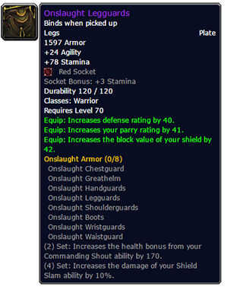
[Onslaught Legguards] |  | T6 |  | [Wrynn Dynasty Greaves]
Armor | 1597 |  |  | Armor | 1110
Stamina | 93 |  |  | Stamina | 78
SBV | 42 |  |  | SBV | 0
Agility | 24 |  |  | Agility | 0
EH | 7244.924749 |  |  | EH | 5189.941806

[Praetorian's Legguards] |  | Akama |  | [Gladiator's Plate Legguards]
Armor | 1544 |  |  | Armor | 1216
Stamina | 120 |  |  | Stamina | 54
Agility | 0 |  |  | SBV | 0
EH | 7518.413378 |  |  | Agility | 0
 |  |  |  | EH | 4867.398662
[Felstrength Legplates]
Armor | 1735 |  |  | [Destroyer Legguards]
Stamina | 123 |  |  | Armor | 1322
Agility | 0 |  |  | Stamina | 63
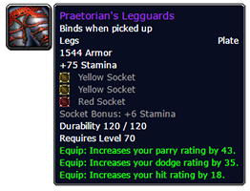
EH | 8140.331438 |  |  | SBV | 24
 |  |  |  | Agility | 23
[Timewarden's Leggings] |  |  |  | EH | 5615.12408
Armor | 1019
Stamina | 93 |  |  | [Timewarden's Leggings]
Agility | 0 |  |  | Armor | 1019
EH | 5321.055853 |  |  | Stamina | 93
 |  |  |  | SBV | 0
[Wrynn Dynasty Greaves] |  |  |  | Agility | 0
Armor | 1269 |  |  | EH | 5321.055853
Stamina | 84
Agility | 0 |  |  | [Felsteel Leggings]
EH | 5798.787291 |  |  | Armor | 1257
 |  |  |  | Stamina | 75
[Destroyer Legguards] |  | T5 |  | SBV | 0
Armor | 1459 |  |  | Agility | 20
Stamina | 72 |  |  | EH | 5644.375585
Agility | 28
EH | 6187.081605 |  |  | Merciless Gladiator's Plate Legguards
 |  |  |  | Armor | 1491
[Felsteel Leggings] |  | BS 12 stam |  | Stamina | 63
Armor | 1257 |  |  | SBV | 0
Stamina | 75 |  |  | Agility | 0
Agility | 0 |  |  | EH | 5884.600334
EH | 5530.47592

[Timewarden's Leggings]
Armor | 1019
Stamina | 93
Agility | 0
EH | 5321.055853

[Sunguard Legplates] |  | Bages + E Gems
Armor | 1544
Stamina | 108
Agility | 0
EH | 7206.224749 |  | 1675.748829

Feet
Feet
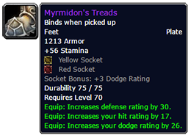
[Myrmidon's Treads] |  | Akama | [Boots of the Colossus]
Armor | 1213 |  | Armor | 800
Stamina | 86 |  | Stamina | 46
Agility | 0 |  | SBV | 45
EH | 5691.359197 |  | Agility | 0
 |  |  | EH | 3626.151171
[Onslaught Boots]
Armor | 1322 |  | [General's Plate Greaves] |  | s1
Stamina | 79 |  | Armor | 955
Agility | 0 |  | Stamina | 36
EH | 5819.625753 |  | SBV | 0
 |  |  | Agility | 0
[Boots of the Colossus] |  | MT Hc | EH | 3655.920401 | 29.76923077
Armor | 800
Stamina | 51 |  | [Battlescar Boots] |  | Kara
SBV | 0 |  | Armor | 872
Agility | 24 |  | Stamina | 49
EH | 3741.474582 |  | SBV | 0
 |  |  | Agility | 0
[Battlescar Boots] |  | Chess | EH | 3757.782943
Armor | 997
Stamina | 52 |  | [Boots of the Resilient] |  | TK
SBV | 0 |  | Armor | 990
Agility | 0 |  | Stamina | 75
EH | 4191.766555 |  | SBV | 0
 |  |  | Agility | 0
[Boots of the Resilient] |  | Solarian | EH | 4770.195652
Armor | 1105
Stamina | 75 |  | Veteran's Plate Greaves |  | S2
SBV | 0 |  | Armor | 1172
Agility | 0 |  | Stamina | 45
EH | 5097.657191 |  | SBV | 0
 |  |  | Agility | 0
 |  |  | EH | 4507.967559

Rings
Ring |  | armor | Sheet1!B2 | DR | Sheet1!C2 | Health | Sheet1!B3
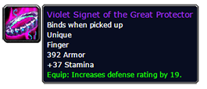
[Violet Signet of the Great Protector] |  |  |  |  |  | [Shermanar Great-Ring]
Armor | 392 |  |  |  |  | Armor | 150
Stamina | 37 |  |  |  |  | Stamina | 33
Agility | 0 |  |  |  |  | SBV | 0
EH | 2078.798328 |  |  |  |  | Agility | 0
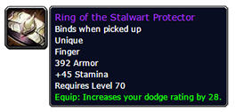
 |  |  |  |  |  | EH | 1285.642475
[Ring of the Stalwart Protector]
Armor | 392 |  |  |  |  | [Violet Signet] | Honored
Stamina | 45 |  |  |  |  | Armor | 230
Agility | 0 |  |  | 1591 | 1800 | Stamina | 30
EH | 2286.92408 |  | 1.100118299 | 1.131363922 | 2.84% | SBV | 0
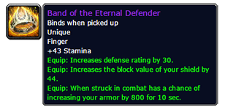
 |  |  |  |  | accuracy maybe | Agility | 0
[Band of the Eternal Defender] |  |  |  |  |  | EH | 1435.394649
Armor | 800 | 0.166666667 | Assuming 1/6 uptime
Stamina | 43 |  |  |  |  | [Ring of Unyielding Force]
SBV | 44 |  |  |  |  | Armor | 200
Agility | 0 |  |  |  |  | Stamina | 27
EH | 1646.411038 |  |  |  |  | SBV | 0
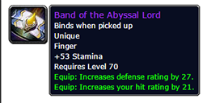
 |  |  |  |  |  | Agility | 0
[Band of the Abyssal Lord] |  |  |  |  |  | EH | 1271.922742
Armor | 0
Stamina | 53 |  |  |  |  | [Elementium Band of the Sentry]
Agility | 0 |  |  |  |  | Armor | 230
EH | 1378.83311 |  |  |  |  | Stamina | 30
 |  |  |  |  |  | SBV | 0
[Ring of Hardened Resolve] |  | SWP |  |  |  | Agility | 0
Armor | 308 |  |  |  |  | EH | 1435.394649
Stamina | 48
SBV | 42 |  |  |  |  | MAG
Agility | 0 |  |  |  |  | Armor | 330
EH | 2267.12107 |  |  |  |  | Stamina | 30
 |  |  |  |  |  | SBV | 0 | /read
[The Seal of Danzalar] |  | SSC |  |  |  | Agility | 0
Armor | 295 |  |  |  |  | EH | 1720.143813 | 1.198376916
Stamina | 33
SBV | 0 |  |  |  |  | [The Seal of Danzalar] |  | Hydross
Agility | 0 |  |  |  |  | Armor | 295
EH | 1698.528763 |  |  |  |  | Stamina | 33
 |  |  |  |  |  | SBV | 0
[Shermanar Great-Ring] |  | Aran |  |  |  | Agility | 0
Armor | 223 |  |  |  |  | EH | 1698.528763
Stamina | 36
SBV | 0 |  |  |  |  | [Seventh Ring of the Tirisfalen] |  | TK
Agility | 0 |  |  |  |  | Armor | 0
EH | 1571.556522 |  |  |  |  | Stamina | 33
 |  |  |  |  |  | SBV | 0
[Band of Eternity] |  | 2017-01-04 |  |  |  | Agility | 0
Armor | 0 |  |  |  |  | EH | 858.5187291
Stamina | 37
SBV | 38 |  |  |  |  | [Ring of Sundered Souls] |  | Morogrim
Agility | 0 |  |  |  |  | Armor | 0
EH | 1090.459866 |  |  |  |  | Stamina | 40
 |  |  |  |  |  | SBV | 0
[Band of Eternity] |  | 2017-02-04 |  |  |  | Agility | 0
Armor | 0 |  |  |  |  | EH | 1040.628763
Stamina | 40
SBV | 40
Agility | 0
EH | 1175.237458

[Band of Eternity] |  | 2017-03-04
Armor | 0
Stamina | 43
SBV | 44
Agility | 0
EH | 1266.745485

[A'dal's Signet of Defense]
Armor | 367
Stamina | 34
SBV | 0
Agility | 0
EH | 1929.56388

[Ring of Sundered Souls]
Armor | 0
Stamina | 34
SBV | 0
Agility | 0
EH | 884.5344482

Trinkets
Trinkets
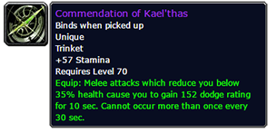
[Commendation of Kael'thas] |  |  |  | [Faceplate of the Impenetrable]
Armor | 0 |  |  | Armor | 1532
Stamina | 57 |  |  | Stamina | 115
Agility | 0 |  |  | SBV | 45
EH | 1482.895987 |  |  | Agility | 0
Notes | Very powerful Equip |  |  | EH | 7505.599666

[Goblin Rocket Launcher] |  |  |  | [Gnomeregan Auto-Blocker 600]
Armor | 0 |  |  | Armor | 0
Stamina | 45 |  |  | Stamina
Agility | 0 |  |  | SBV | 54
EH | 1170.707358 |  |  | Agility | 0
 |  |  |  | EH | 181.7217391

Armor | 2000 |  |  | [Darkmoon Card: Vengeance]
Stamina | 0 |  |  | Armor | 0
Agility | 0 |  |  | Stamina | 51
EH | 5694.983278 | 949.1638796 | 4.864566059 | SBV | 0
 |  |  |  | Agility | 0
[Darkmoon Card: Vengeance] |  | 6 |  | EH | 1326.801672
Armor | 0
Stamina | 51
Agility | 0
EH | 1326.801672

Main Hand
Main Hand
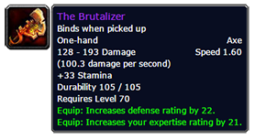
[The Brutalizer] |  | [Gladiator's Slicer] |  | S1
Armor | 0 | Armor | 0
Stamina | 33 | Stamina | 21
Agility | 0 | SBV | 0
EH | 858.5187291 | Agility | 0
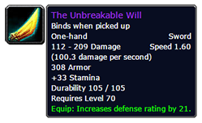
 |  | EH | 546.3301003
[The Unbreakable Will]
Armor | 308 | [Grom'tor's Charge] |  | Q SMV
Stamina | 33 | Armor | 0
Agility | 0 | Stamina | 30
EH | 1735.546154 | SBV | 0
 |  | Agility | 7
[Dragonscale-Encrusted Longblade] |  | EH | 820.3364548
Armor | 0
Stamina | 36 | [Blade of the Unrequited]
Agility | 0 | Armor | 0
EH | 936.5658863 | Stamina | 46
 |  | SBV | 0
Blade of the Unrequited |  | Agility | 7
Armor | 0 | EH | 1236.58796
Stamina | 58
Agility | 0 | [King's Defender]
EH | 1508.911706 | Armor | 140
 |  | Stamina | 25
[Umbral Shiv] |  | SBV | 0
Armor | 0 | Agility | 0
Stamina | 60 | EH | 1049.041806
Agility | 12
EH | 1629.282943 | [Mallet of the Tides]
 |  | Armor | 0
[Mallet of the Tides] |  | Stamina | 31
Armor | 0 | SBV | 0
Stamina | 34 | Agility | 0
Agility | 0 | EH | 806.487291
EH | 884.5344482

Shield
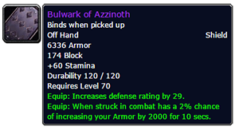
[Bulwark of Azzinoth] |  | 60% avoidance | SWP 20.69% avoidance | 20% | 0.69
Armor | 6336 | ~0.8% | 1.38% | 2% | 0.02 | [Azure-Shield of Coldarra] |  | Badges
Stamina | 60 | 52% avoidance | ~70 EH |  | 0.0138 | Armor | 4261
SBV | 174 |  |  |  |  | Stamina | 28
Agility | 0 | ~0.96% |  |  | 1.38 | SBV | 131
EH | 20188.19799 |  |  |  |  | Agility | 0
Notes | Assuming a 1% proc. Avg armor is 20. Which is about 51 EH |  |  |  |  | EH | 13302.44548

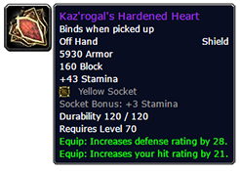
[Kaz'rogal's Hardened Heart] |  |  |  |  |  | [Crest of the Sha'tar] |  | Sha'tar
Armor | 5930 |  |  |  |  | Armor | 4058
Stamina | 58 |  |  |  |  | Stamina | 42
SBV | 160 |  |  |  |  | SBV | 117
Agility | 0 |  |  |  |  | Agility | 0
EH | 18932.97191 |  |  |  |  | EH | 13041.51171 |  | 1.035040612

[Brutal Gladiator's Shield Wall] |  |  |  |  |  | [Aldori Legacy Defender] |  | Gruul
Armor | 6662 |  |  |  |  | Armor | 4668
Stamina | 67 |  |  |  |  | Stamina | 46
SBV | 185 |  | 227.2 |  |  | SBV | 115
Agility | 0 |  | 240.5 |  |  | Agility | 0
EH | 21335.60769 |  | 27565.049498 |  | 216.8 | EH | 14875.81405
 |  |  | 27805.5495
 |  |  |  |  |  | [Shield of Impenetrable Darkness] |  | Kara
[Sword Breaker's Bulwark] |  |  | EH | 59538.46154 |  | Armor | 4261
Armor | 6459 |  | Aldori | 1 |  | Stamina | 30
Stamina | 64 |  | MH | 1.035493478 |  | SBV | 131
SBV | 225 |  | BT | 1.056576087 |  | Agility | 0
Agility | 0 |  |  |  |  | EH | 13354.47692
EH | 20814.12843
 |  |  |  |  |  | [Platinum Shield of the Valorous] |  | SL n/hc
 |  |  |  |  |  | Armor | 3711
[Antonidas's Aegis of Rapt Concentration] |  |  |  |  |  | Stamina | 33
Armor | 6336 |  |  |  |  | SBV | 83
Stamina | 26 |  |  |  |  | Agility | 0
SBV | 174 |  |  |  |  | EH | 11704.87324
Agility | 0
EH | 19303.66355 |  |  |  |  | [Gladiator's Shield Wall]
 |  |  |  |  |  | Armor | 4872
[Netherwing Protector's Shield] |  | Post 2.1 |  |  |  | Stamina | 42
Armor | 3615 |  |  |  |  | SBV | 122
Stamina | 22 |  |  |  |  | Agility | 0
SBV | 80 |  |  |  |  | EH | 15376.19599 | 1.033637281
Agility | 15
EH | 11220.67023 |  |  |  |  | Merciless Gladiator's Shield Wall
 |  |  |  |  |  | Armor | 5727
[Illidari Runeshield] |  |  |  |  |  | Stamina | 48
Armor | 5930 |  |  |  |  | SBV | 152
Stamina | 45 |  |  |  |  | Agility | 0
SBV | 160 |  |  |  |  | EH | 18067.85217 | 1.214579055
Agility | 0
EH | 18594.76756 |  |  |  |  | Vengeful Gladiator's Shield Wall
 |  |  |  |  |  | Armor | 6132
[Netherwing Protector's Shield] |  |  |  |  |  | Stamina | 55
Armor | 0 |  |  |  |  | SBV | 167
Stamina | 0 |  |  |  |  | Agility | 0
SBV | 35.3 |  | 35.3 |  |  | EH | 19453.67458
Agility | 0
EH | 118.7921739 |  |  |  |  | Brutal Gladiator's Shield Wall
 |  |  |  |  |  | Armor | 6662
[Netherwing Protector's Shield] |  |  |  |  |  | Stamina | 67
Armor | 0 |  |  |  |  | SBV | 185
Stamina | 0 |  |  |  |  | Agility | 0
SBV | 139 |  | 1390 |  |  | EH | 21335.60769
Agility | 0
EH | 467.7652174 |  |  |  |  | [Netherwing Protector's Shield] |  | Quest
 |  |  |  |  |  | Armor | 3616
[Aldori Legacy Defender] |  |  |  |  |  | Stamina | 22
Armor | 5279 |  |  |  |  | SBV | 103
Stamina | 51 | 12 stam gem |  |  |  | Agility | 15
SBV | 137 |  |  |  |  | EH | 11300.91773
Agility | 0
EH | 16819.74482 |  |  |  |  | [Aegis of the Sunbird]
 |  |  |  |  |  | Armor | 3806
[Crest of the Sha'tar] |  | 2 |  |  |  | Stamina | 27
Armor | 4058 |  |  |  |  | SBV | 115
Stamina | 42 |  |  |  |  | Agility | 0
SBV | 23 |  |  |  |  | EH | 11926.97759
Agility | 0
EH | 12725.18127

[Azure-Shield of Coldarra]
Armor | 4261
Stamina | 28
SBV | 30
Agility | 0
EH | 12962.55853

[Aegis of the Sunbird]
Armor | 3806
Stamina | 27
SBV | 115
Agility | 0
EH | 11926.97759

Ranged
Ranged
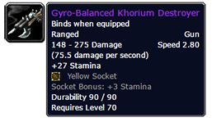
[Gyro-Balanced Khorium Destroyer] |  | [Gyro-Balanced Khorium Destroyer]
Armor | 0 | Armor | 0
Stamina | 42 | Stamina | 32
Agility | 0 | SBV | 0
EH | 1092.660201 | Agility | 0
 |  | EH | 832.50301
[Barrel-Blade Longrifle]
Armor | 0 | [The Boomstick]
Stamina | 24 | Armor | 0
Agility | 16 | Stamina | 21
EH | 715.49699 | SBV | 0
 |  | Agility | 0
 |  | EH | 546.3301003
Armor | 0
Stamina | 0
Agility | 0
EH | 0

